Bond Form
Reclamation Bond Spreadsheet - BLM Land Ownership ONLY |  |  |  |  |  |  |  |  | CALCULATORS |  |  |  |  |  |  | INSTRUCTIONS FOR USING THE BOND RECLAMATION SPREADSHEET
 |  |  |  |  |  |  |  |  | (enter your numbers in the shaded boxes)
INSTRUCTIONS: Enter your data in the shaded boxes. See page 3 for detailed instructions. |  |  |  |  |  |  |  |  |  |  |  |  |  |  | 1. | This Microsoft Excel spreadsheet is available at http://www.deq.mt.gov/opencut/opencutpermitforms.mcpx.
 |  |  |  |  |  |  |  |  | COMMON CONVERSION |  | PIT VOLUME CALCULATOR |  |  |  | 2. | Use this spreadsheet for your estimate of bond costs for permit, amendment, and assignment applications. The DEQ may use additional data in its final bond calculation.
Operator Name: |  |  |  |  |  |  |  |  | FROM | TO
Site Name: |  |  |  |  |  |  |  |  |  |  | Area | Depth | Gross | Slope | 3. | The Comment Box is used to explain additional or other uses, how acreages were determined, why there are deletions or additions to the standard items, etc.
Prepared by: |  |  |  |  |  |  |  |  | square feet | acres | Acres | Feet | Cu Yds | Minus 30%
Date: | 2026-04-07 |  |  |  |  |  |  |  |  | 0.0 |  |  | 0 | 0
 |  |  |  |  |  |  |  |  |  |  |  |  |  |  |  | General definitions:
Total Permitted Acres = |  | acres* |  | Comments: |  |  |  |  | cubic feet | cubic yards |  |  |  |  |  | Bonded | Permitted acres that Opencut activities can occur on.
*Must match the "Total Permitted Acres" in Section A1 of the Opencut Mining |  |  |  | This reclamation bond spreadsheet reflects bond amount required by DEQ & BLM, with 5% additional bond required for permitted BLM acres. |  |  |  |  |  | 0 | BACKFILL VOLUME CALCULATOR |  |  |  |  | Non-Bonded | Permitted acres of land that No Opencut activities can occur on until fully bonded.
Permit Application. |  |  |  |  |  |  |  |  |  |  |  |  |  |  |  | Phase 1 Released | Permitted acres that are graded, resoiled, and seeded and only bonded for revegetation & weed control.
 |  |  |  |  |  |  |  |  |  |  |  |  |  |  |  | Access Road | Road from nearest public access to permitted site & included in permit with the consent of the landowner.
BONDED ACREAGE BREAKDOWN |  |  |  |  |  |  |  |  |  |  |  |  |  |  |  | Highwall | any cut face, 5 feet or higher, with an angle greater than 3:1.
Must match the "Acreage Breakdown" in section A1 of the Opencut Mining |  |  |  |  |  |  |  |  | acres 1 foot deep | cubic yards | Area | Depth | Compaction | Backfill |  | Highwall Description | a name for each highwall, such as "west" or "north".
Permit Application. | Private |  | BLM (acres) |  |  |  |  |  |  |  |  |  |  |  |  | Backfill | excess or additional material used to raise the pit floor and/or slope a highwall. Usually found onsite or offsite.
Bonded |  | acres |  |  |  |  |  |  |  | 0 | Acres | Feet | % | Loose Cu Yd |  | Compaction % | An estimate of the expected compaction or shrinkage of fill material, usually 10%.
Phase I Release Bonded Area |  | acres |  |  |  |  |  |  |  |  |  |  |  | 0 |  | Grading | Acres of land to be graded.
Non-Bonded | 0.0 | acres |  |  |  |  |  |  | inches deep / acre | cubic yards |  |  |  |  |  | Ripping | Acres of compacted land to be ripped.
Access Road |  | acres |  |  |  |  |  |  |  | 0 |  |  |  |  |  | Revegetation | Acres of revegetation or landscaping.
Bonded Area = | 0.0 | acres** | 0.0 |  |  |  |  |  |  |  |  |  |  |  |  | Fencing | If no specific provision is shown in the Plan of Operations to otherwise exclude livestock from the area.
TOTAL BONDED AREA | 0.0 | **The Total Bonded Area must be identical to the acreage on the Bond submitted by the Operator to the Department. |  |  |  |  |  |  |  |  |  |  |  |  |  | Weed Control | Acres to be controlled for noxious weeds.
 |  |  |  |  |  |  |  |  | acres | perimeter feet |  |  |  |  |  | Crush Asphalt | Cost to crush any material containing asphalt that is stockpiled or stored onsite.
Lineal Feet & Height must match the parameters within the Opencut Mining Permit Application |  |  |  |  |  |  |  |  |  | 0 | Diameter | Height | Length | Volume |  | Cost to Purchase Soil | Cost to purchase and import soil when the permitted amount was not saved by the Operator.
Highwall Cut/Fill
Description | linear feet | height | reclamation slope ratio |  | cubic yards |  |  |  |  |  | Feet | Feet | Feet | Cu Yds |  | Reject Fines | Cost to bond reject fines when volume exceeds 10,000 cubic yards stored onsite.
 |  |  |  | :1 | 0 | total |  |  |  |  |  |  |  | 0 |  | Other (blank) | Other possible line item costs such as facility and structure removal, onsite earthmoving across distances, specialized seeding or application, etc.
 |  |  |  | :1 | 0 | 0
Highwall Backfill - Covers cost of grading & sloping fill material along highwall face to create the permitted slope. Must also complete Backfill Transport/Placement line item below.
Description | linear feet | height | reclamation slope ratio |  | cubic yards |  |  |  |  | See instructions on page 3 for details on volume calculations
 |  |  |  | :1 | 0 | total |  |  |  |  |  |  |  |  |  | mobilization | = total round trip miles to the nearest town with a contractor able to perform reclamation.
 |  |  |  | :1 | 0 | 0 |  |  |  |  |  |  |  |  |  | administration costs | = total of items added by DEQ for engineering, design, insurance, permits, etc.
Mine Area Backfill - Covers the cost of placing backfill material in the pit or to raise the level of the pit floor. Must also complete Backfill Transport/Placement line item below. |  |  |  |  |  |  |  |  |  |  |  |  |  |  |  | How highwalls, backfill, and stockpiles are calculated:
Description | acres | depth | compaction % |  | cubic yards
highwall
 |  |  |  |  | 0 | total
 |  |  |  |  | 0 | 0
cut
Permitted slope
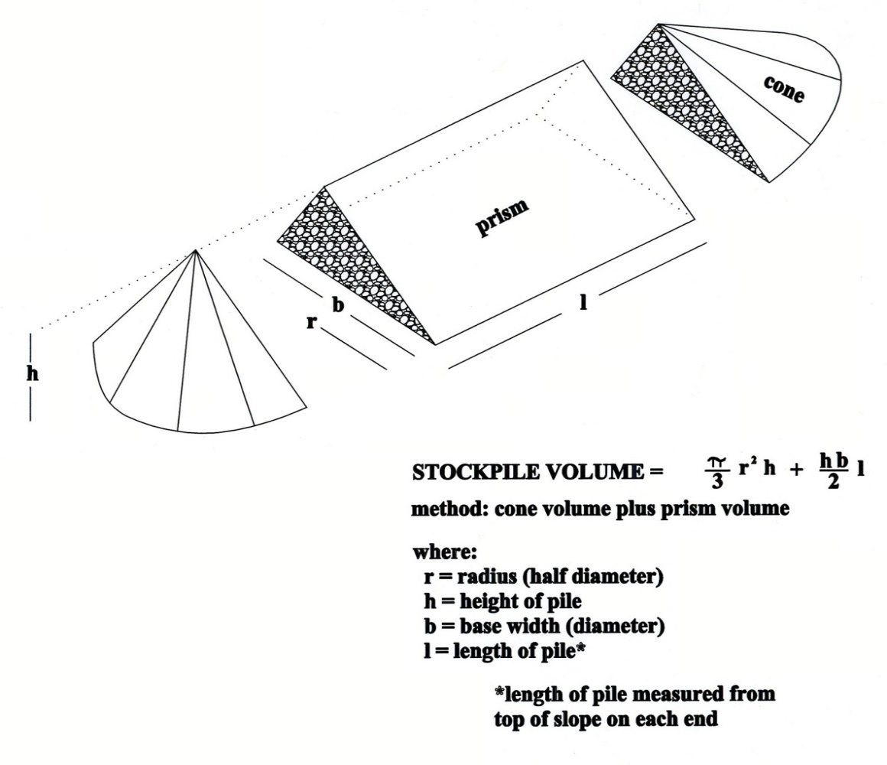
fill
Mine soil replacement |  | inches soil | Overburden Replacement |  | 0 | inches OB total | 0
Access road soil replacement |  | inches soil | Overburden Replacement |  | 0 | inches OB total | 0
 |  |  | * Soil and overburden inches must match section C2.
ITEM | UNIT |  | AMOUNT |  | RATE |  | TOTAL
Highwall Cut/Fill |  |  | 0 | cu yds | $1 | per cubic yard | $0
Highwall Backfill & Mine Area Backfill |  |  | 0 | cu yds | $1.50 | per cubic yard | $0
Backfill Transport/Placement Cost-Onsite $2cy, offsite $15cy |  |  | 0 | cu yds | 2 | per cubic yard | $0
Bonded area grading |  |  | 0.0 | acres | $100 | per acre | $0
Permitted slope
Bonded area ripping |  |  | 0.0 | acres | $100 | per acre | $0
backfill
Bonded soil and OB replacement | 0 | inches | 0.0 | acres | $1.25 | per cubic yard | $0
Access road area grading |  |  | 0.0 | acres | $100 | per acre | $0
highwall
Access road area ripping |  |  | 0.0 | acres | $100 | per acre | $0
Access road soil replacement | 0 | inches | 0.0 | acres | $1.25 | per cubic yard | $0
Seeding or other revegetation |  |  | 0.0 | acres | $600 | per acre | $0
Weed control |  |  | 0.0 | acres | $100 | per acre | $0
Fencing |  |  |  | linear ft | $1.40 | per linear foot | $0
Cost to crush onsite asphalt |  |  |  | cu yds | $4 | per cubic yard | $0
Cost to import, purchase and place soil |  |  |  | cu yds | $18 | per cubic yard | $0
Cost to bond for reject fines |  |  |  | cu yds | $1 | per cubic yard | $0
Acres of BLM Land at 5% extra Bond Cost |  |  | 0.0 | acres | #DIV/0! | Rate per acre | #DIV/0! | Cell F58 is 5% of Cell 65F
 |  |  |  |  |  |  | $0
 |  |  |  |  |  |  | $0
 |  |  |  |  |  | Total = | #DIV/0!
Indirect Reclamation costs to DEQ (Mob/DeMob, Contingency, Engineering, Overhead, & Project Management) = 25%
up to $1,000,000 bond and 20% for a bond over $1,000,000. Minimum Bond Amount is $25,000 |  |  |  |  |  |  | #DIV/0!

Total Area Bonded = | 0.0 | Rate Per Bonded Acre = |  |  | #DIV/0! | Total Bond = | #DIV/0!

